Sheet1
 |  | Document No. | Issue No. |  | Issue Date |  |  | Review and Replace Date |  |  |  | Authorised By
 |  | GFF032-2MC | 2 |  | 14.12.2021 |  |  | 08.04.2022
 |  | Document Title | 12 ORIENTAL SELECTION WITH SWEET CHILLI DIP 260g
 |  | Film Updated |  |  |  | Page |  |  | 1 of 1 |  |  | Magda Shah
Document amendments reason for change |  |  |  |  |  | Previous Issue Date |  |  | 14.12.2021 |  |  | Uncontrolled copy unless signed original

TEMPORARY | BOOTHS - XMAS |  | 12 ORIENTAL SELECTION WITH SWEET CHILLI DIP 260g (with PRAWN TOAST)
STEP 1 |  |  |  | STEP 2 |  |  |  |  |  |  | STEP 3
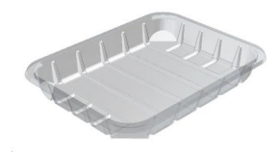 |  |  |  | 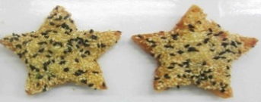 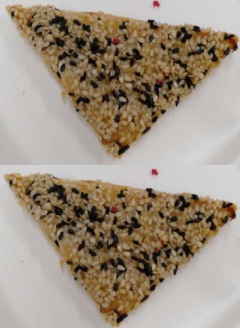 |  |  |  |  |  |  | 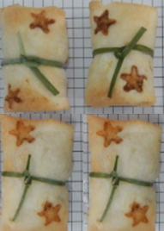

DEFROST DAY + 16 DAYS

Tray: C5E CLEAR (PKHOL001-07) |  |  |  | 2 x STAR SHAPE PRAWN TOAST 16g |  |  | 2 x TRIANGLE SHAPE PRAWN TOAST 16g |  |  |  | 4 x PENANG PRAWN PARCELS (STAR PRINTED) (RMTRA003-03) 20g
Film: ME300AFV2, 300mmx 1000m (PKPRO001-16)
STEP 4 |  |  |  | STEP 5 |  |  |  |  |  | STEP 5
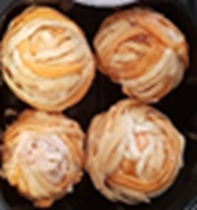 |  |  |  |  |  |  |  |  |  | 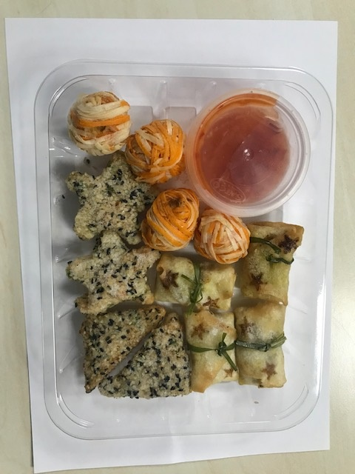

4 x RED & WHITE FILO BAUBLE (RMTRA003-02) 19g |  |  |  | SWEET CHILLI DIP (GFF109R) 40g |  |  |  |  |  | TOTAL WEIGHT: 274g
 |  |  |  | SATCO CONTAINERS (PKKAV001-17)

ALLERGY ALERT: BARLEY, CRUSTACEAN, SOYA, WHEAT, SESAME

